Sheet1
WIND ROSE DIAGRAM, 1996 - 2015 |  |  |  |  |  |  |  |  |  | Wind Station
Pagasa Island, Palawan |  |  |  |  |  |  |  |  |  | Pagasa Island, Palawan
Annual
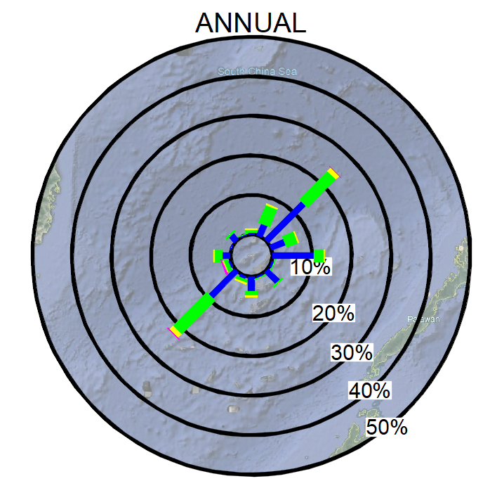
 |  |  |  |  |  |  |  |  |  | Location: | 11°03'10"N | 114°19'02"E
 |  |  |  |  |  |  |  |  |  | Ground Elev: | 3 | m
 |  |  |  |  |  |  |  |  |  | Instrument Elev: | 10 | m

FREQUENCY TABLE
Pagasa Island, Palawan
Wind Speed and Direction
Annual (1981-2010)

 | N | NNE | NE | ENE | E | ESE | SE | SSE
CALM
1-4 | 0.6 | 3.1 | 13.4 | 3.7 | 10.5 | 0.6 | 4.0 | 0.5
5-8 | 0.7 | 4.9 | 10.1 | 3.1 | 2.6 | 0.1 | 0.3 | 0.1
9-12 | 0.1 | 0.2 | 1.1 | 0.2 | 0.1 | 0.0 | 0.0 | 0.0
13-16 | 0.0 | 0.0 | 0.1 | 0.0 | 0.0 | 0.0 | 0.0 | 0.0
TOTAL | 1.5 | 8.2 | 24.7 | 7.0 | 13.2 | 0.7 | 4.4 | 0.6

 | S | SSW | SW | WSW | W | WNW | NW | NNW | TOTAL
CALM |  |  |  |  |  |  |  |  | 1.0
1-4 | 3.6 | 0.7 | 9.2 | 0.6 | 2.1 | 0.2 | 1.9 | 0.2 | 55.0
5-8 | 1.2 | 0.8 | 12.0 | 1.1 | 1.8 | 0.0 | 0.3 | 0.1 | 39.3
9-12 | 0.2 | 0.3 | 1.2 | 0.3 | 0.3 | 0.0 | 0.0 | 0.0 | 4.0
13-16 | 0.0 | 0.0 | 0.2 | 0.2 | 0.0 | 0.0 | 0.0 | 0.0 | 0.7
TOTAL | 4.9 | 1.8 | 22.6 | 2.3 | 4.2 | 0.3 | 2.2 | 0.4 | 100.0

